Gráficos
 | Total
Central Reservations | 50
Destination Management Company | 94
Front Office | 35
Online Travel Agency | 56
Property Website | 57
Social Networks | 1
Tour Operator | 67
(em branco) | 0

 | 2016 | 2017
jan |  | 6887.62 €
fev |  | 10955.91 €
mar |  | 14437.14 €
abr |  | 67584.15 €
mai |  | 76156.35 €
jun | 69485.41 € | 114152.04 €
jul | 126285.30 € | 188486.34 €
ago | 130974.38 € | 233199.17 €
set | 79335.76 € | 125704.30 €
out | 36245.00 € | 71033.10 €
nov | 7773.40 € | 14866.09 €
dez | 9542.93 € | 5610.96 €

 | 2016 | 2017
jan |  | 18.06%
fev |  | 32.68%
mar |  | 39.68%
abr |  | 72.62%
mai |  | 72.12%
jun | 82.17% | 79.40%
jul | 97.58% | 84.45%
ago | 101.13% | 89.98%
set | 82.83% | 80.60%
out | 48.55% | 75.58%
nov | 20.83% | 27.14%
dez | 21.45% | 7.49%

Gráfico Receita por País
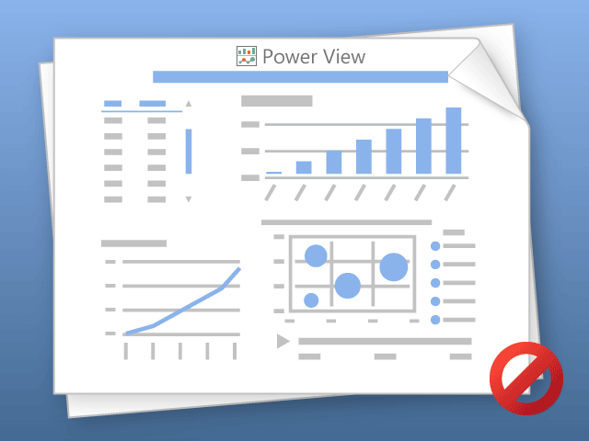

O Power View só pode imprimir uma folha de cada vez.
Mude para a folha pretendida e tente novamente.

